uncropped gels and blots
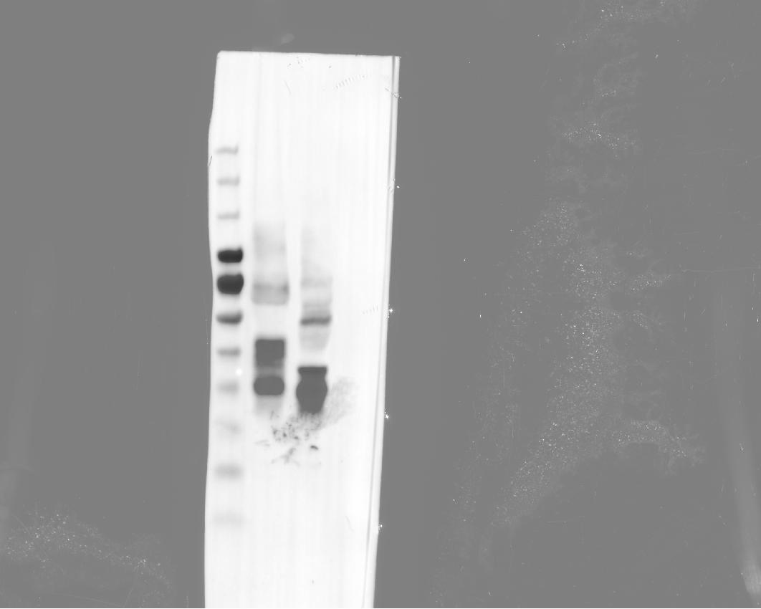

Supplementary Figure 10a — A/Shanghai/1/2013 pseudovirus, Western blot (−/+ PNGase F). Uncropped scan.

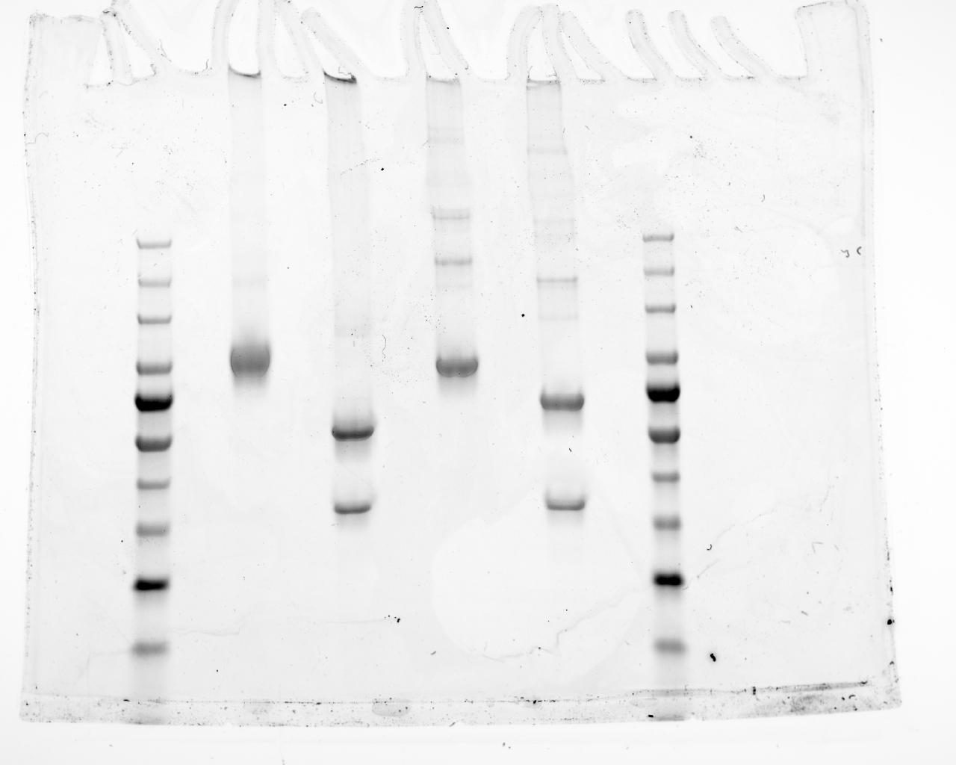

Supplementary Figure 10e — A/Singapore/16/2016 and A/Shanghai/1/2013 HA ectodomains, SDS-PAGE (−/+ PNGase F). Uncropped scan.

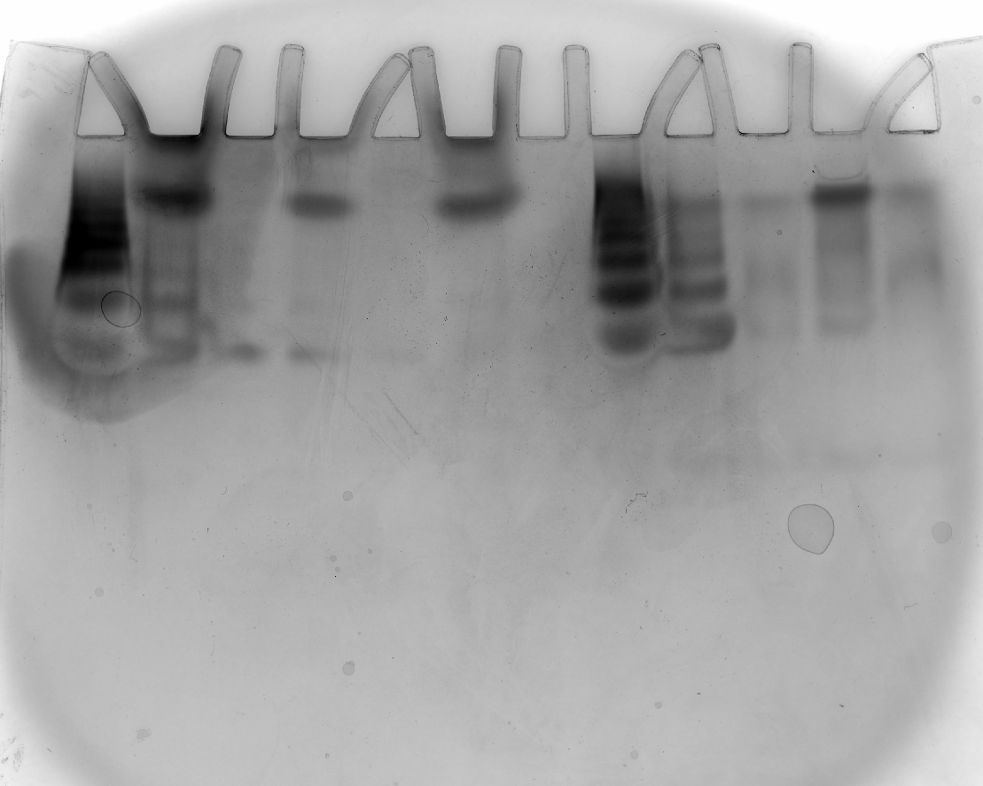

Supplementary Figure 11b — H5 HA head domain, native PAGE (Coomassie). Uncropped scan.

